Workout
Accounting and Financial Analysis

Workout 7
 | Using the balance sheet and assumptions provided for Jakks, forecast PP&E for years 3 and 4.

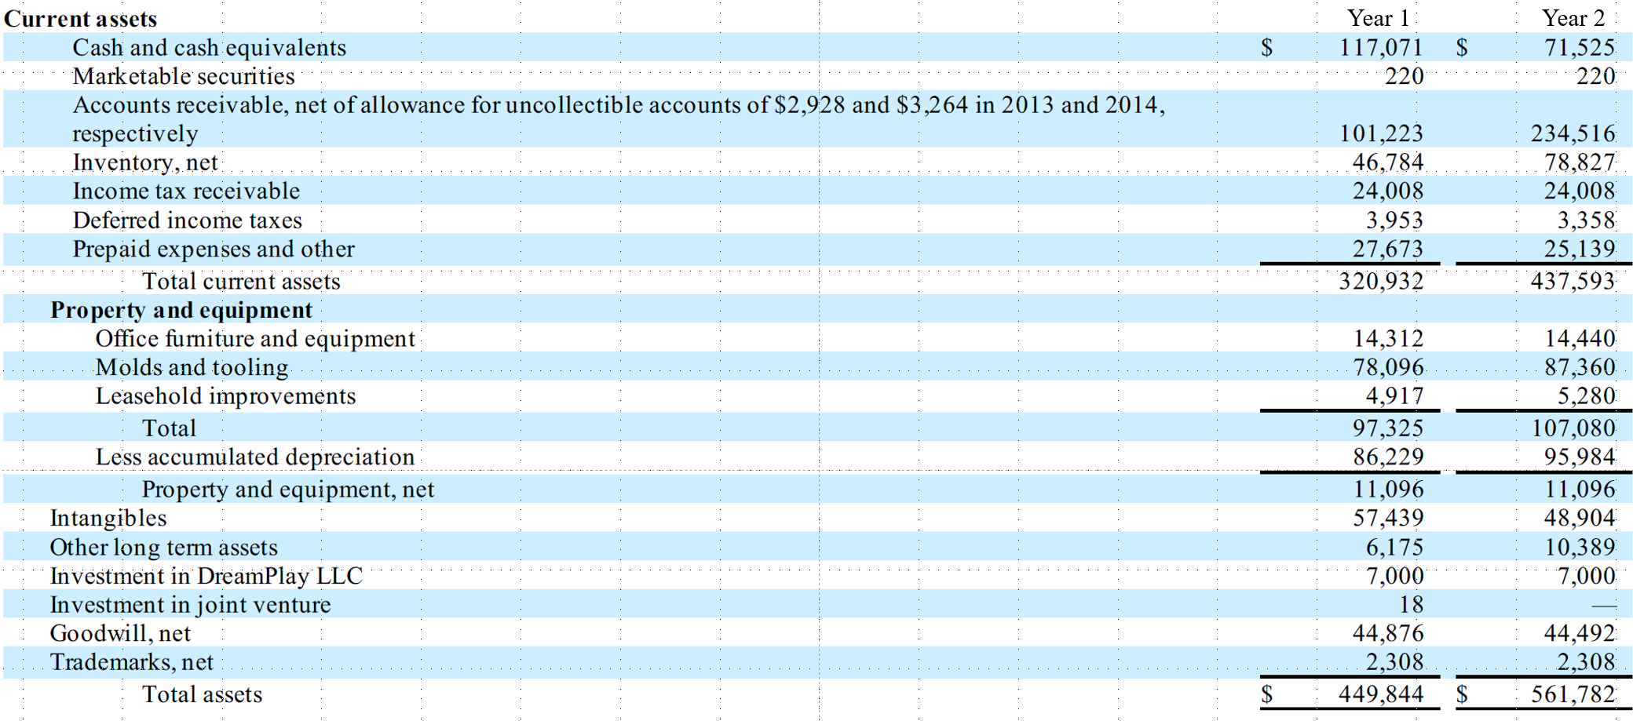

 | Depreciation, percentage of prior year net PP&E. |  |  | 20.0%
 | Capital expenditure, percentage of the same year's sales. |  |  | 0.3%

 |  |  | Proj. (Year 3) | Proj. (Year 4)
 | Sales |  | 811,305.0 | 813,593.0

 | Net PP&E
 | Beginning balance |  | 11,096.0 | 11,310.7
 | Add- capital expenditure |  | 2,433.9 | 2,440.8
 | Subtract - depreciation |  | 2,219.2 | 2,262.1
 | Ending balance | 11,096.0 | 11,310.7 | 11,489.4

 | Gross PP&E | 107,080.0 | 109,513.9 | 111,954.7
 | Accumulated depreciation | 95,984.0 | 98,203.2 | 100,465.3
 | Income statement depreciation expense |  | 2,219.2 | 2,262.1

Workout 8
 | A business purchases a machine for cash.
 | Original cost | 76,000.0
 | Salvage value | 3,000.0
 | Estimated useful life, years | 8.0
 | How will the purchase be reflected in the balance sheet? |  |  | Asset = |  |  |  | Liability + Equity
 |  |  |  | Cash down |  | 76,000.0
 |  |  |  | Non current asset up |  | 76,000.0

 | It is now the start of Year 1. Fill in the forecast schedule below.

 |  | Year 1 Proj. | Year 2 Proj. | Year 3 Proj. | Year 4 Proj. | Year 5 Proj. | Year 6 Proj. | Year 7 Proj. | Year 8 Proj.
 | Depreciation expense | 9,125.0 | 9,125.0 | 9,125.0 | 9,125.0 | 9,125.0 | 9,125.0 | 9,125.0 | 9,125.0
 | Gross amount | 76,000.0 | 76,000.0 | 76,000.0 | 76,000.0 | 76,000.0 | 76,000.0 | 76,000.0 | 76,000.0
 | Accumulated depreciation | 9,125.0 | 18,250.0 | 27,375.0 | 36,500.0 | 45,625.0 | 54,750.0 | 63,875.0 | 73,000.0
 | Net book value | 66,875.0 | 57,750.0 | 48,625.0 | 39,500.0 | 30,375.0 | 21,250.0 | 12,125.0 | 3,000.0

 | How will the depreciation for Year 1 be reflected in the balance sheet? |  |  | Asset = |  |  |  | Liability + Equity
 |  |  |  | Non current asset down |  | 9,125.0 |  | RE down | 9,125.0

 | It is now Year 3. The machine has experienced a catastrophic breakdown and cannot be fixed.
 | It must be written down to its salvage value. The asset will be sold for its salvage value during Year 4.
 | Fill in the schedule below, to include the updated situation.

 |  | Year 1 Actual | Year 2 Actual | Year 3 Proj. | Year 4 Proj. | Year 5 Proj. | Year 6 Proj. | Year 7 Proj. | Year 8 Proj.
 | Depreciation expense | 9,125.0 | 9,125.0 | 54,750.0 | 0.0 | 0.0 | 0.0 | 0.0 | 0.0
 | Gross amount | 76,000.0 | 76,000.0 | 76,000.0 | 0.0 | 0.0 | 0.0 | 0.0 | 0.0
 | Accumulated depreciation | 9,125.0 | 18,250.0 | 73,000.0 | 0.0 | 0.0 | 0.0 | 0.0 | 0.0
 | Net book value | 66,875.0 | 57,750.0 | 3,000.0 | 0.0 | 0.0 | 0.0 | 0.0 | 0.0

 | How will the write down in Year 3 be reflected in the balance sheet? |  |  | Asset = |  |  |  | Liability + Equity
 |  |  |  | Non current asset down |  | 54,750.0 |  | RE down | 54,750.0

